OPEN
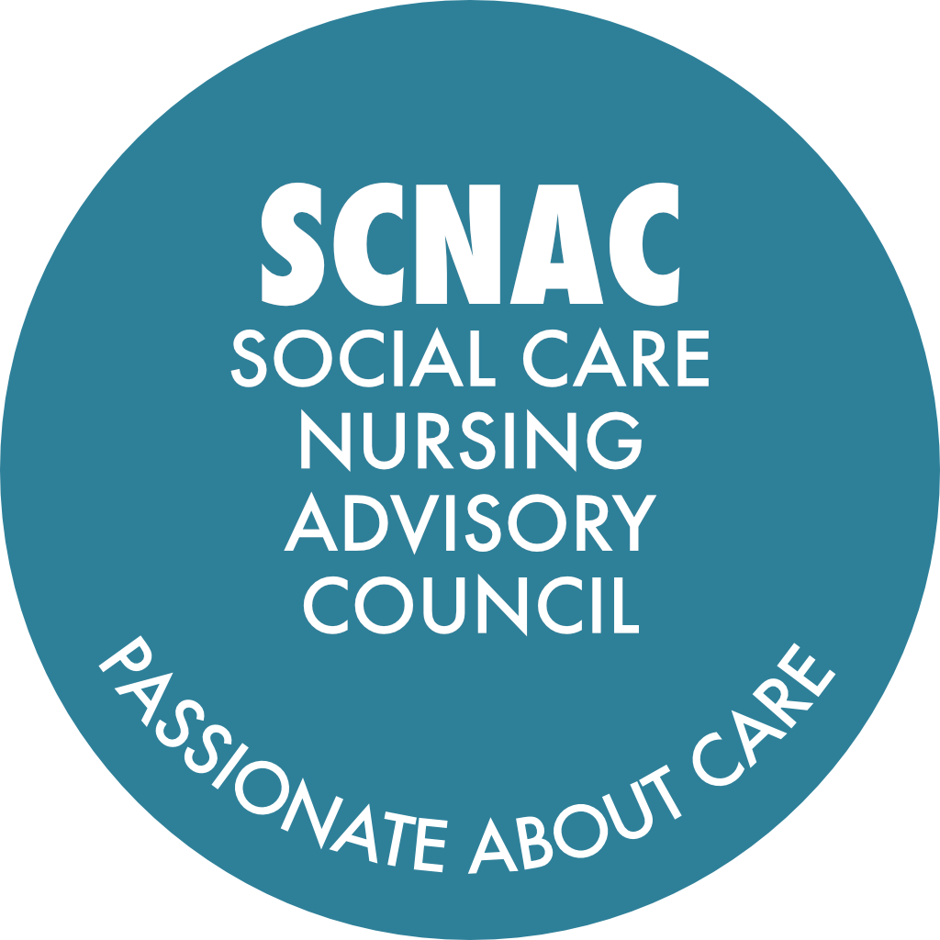 |  | SCNAC Email Addresses: Co-Chair: Cheryl Angco - cheryl.southwest@scnac.co.uk Co-Chair: Cindy Willcocks - cindy.southwest@scnac.co.uk SCNACs Admin: Sonia Pritchard - Admin.SCNAC@theoutstandingsociety.co.uk
NAME OF GROUP: SOUTH WEST Region Social Care Nursing Advisory Councils (SCNACs) Action Log - OPEN
Meeting date / date | Subject | Action | Details | Lead | Due Date | Update | Date Completed

09-May-25 Pinned | Council Member Bios | Submit bios and pictures to Sonia for the Council member directory to facilitate better communication and collaboration. | To see bios submitted by others, visit the SW webpage: https://theoutstandingsociety.co.uk/scnac-south-west-region/ | All | ASAP | 15Jul25/15Oct25/28Jan26 - reminder to submit high-res photos and short bios (approx. 100 words) to Sonia - Admin.SCNAC@theoutstandingsociety.co.uk to be uploaded to the SW SCNAC webpage. | Ongoing
Pinned | Chief Nurse Awards | Encourage team members to submit nominations for the Chief Nurse Awards | https://www.gov.uk/government/publications/chief-nurse-adult-social-care-awards-nomination-forms | All | ASAP | Reminded at Jan-26 and May-26 meetings
13-May-26 Pinned | Up-to-Date Council Records | As per email send out, please can ALL council members update their details by completing this form: | https://forms.monday.com/forms/7dc258c28cba640906207548fb3c9905?r=euc1 | All | ASAP
6-Aug-26 | Share Project Slides and Contact Details | Send the slides, adding in contact details first, for the London SCNAC projects to Sonia for wider sharing among the group. | Included in the meeting follow up | Louise Keane | Done - included with follow up
6-Aug-26 | Follow-Up on Student Placement Survey: | Distribute the survey link for standards for nursing student placements and social care learning environments widely among relevant contacts. | Included in the notes document | Sonia | Done - included with follow up
6-Aug-26 | Regional Association Introductions | Facilitate introductions to representatives of care provider associations in regions not currently represented at council, to improve regional representation. |  | Hilary | When conveninent
6-Aug-26 | Provider Recommendations for Placement Strategy | Provide contact details or recommendations of providers who are taking students, to support Skills for Care in growing placement capacity and achieving gold commendation. |  | All | When conveninent
6-Aug-26 | Venue Suggestions for October Event | Submit suggestions for suitable venues for the October face-to-face Southwest Snacks event, as the usual venue is unavailable. |  | All | ASAP | Suggestions from Christiana Fisher in chat: The Rugby Club, Taunton or Albemarle Centre Suggestions from Bernie Edwards in chat: Apeture House Exeter, Devon ICB
6-Aug-26 | WhatsApp Group Participation | Share the WhatsApp group link and encourage all members to join for improved communication and collaboration. | https://chat.whatsapp.com/HLY7xN69BBSAyQJ6q6aiLE | Cheryl | ASAP | Shared in the meeting chat and in the action log | 6-Aug-26
6-Aug-26 | Council Membership Review | Conduct a full review of council membership, including contacting members to confirm their participation and interests in specific groups, and share the findings at the next regional meeting. |  | Cheryl / Cindy | Before the next meeting
6-Aug-26 | Regional SCNACs Facebook Page | Encourage council members to join the Regional SCNACs Facebook Page. Skills for Care also have a regional Facebook page and Linkedin profile and could allow a mutual connection/link | Cheryl to share link to FB page with Christiana | Cheryl / Christiana | ASAP
6-Aug-26 | Student Nurse Placements in our Trusted Assessor Service | Understanding the importance of safe and timely discharges to care homes and the role of social care working with the NHS. Can share short article with anyone interested. | Linked in with BU and several students have taken place over the last 3-4 years. Would be interested to hear from second year students, local to MPH and Yeovil hospitals. | Hilary Robinson | When relevant
13-May-26 | NMC Revalidation and Code Review Engagement | Encourage council members and their networks to participate in the NMC revalidation and code review consultations to ensure strong social care nursing representation. |  | All | When conveninent
13-May-26 | Event Scheduling Coordination | Share information about major regional or national events that may affect meeting attendance to help avoid scheduling conflicts for future meetings. |  | All | ASAP
13-May-26 | Council Membership Expansion | Nominate or connect potential new council members, ensuring diverse and fair representation across the Southwest region, including rural and minority communities. |  | All
13-May-26 | Filipino Community Engagement | Share the dates and details of the Bournemouth and Cornwall Filipino festivals with the council and coordinate council participation and speaking opportunities at these events. |  | Cheryl Angco | As soon as available
13-May-26 | Student Representation Strategy | Arrange talks at local universities and colleges to promote the council and student representative roles, and develop a standardised slide deck for these presentations. |  | Cheryl Angco, Cindy Willcocks, Charlotte Fry, Ashleigh Fox
13-May-26 | College Engagement for Student Awareness | Reach out to South Devon College and similar institutions to offer talks about social care nursing and council opportunities to health and social care students. | Share contact with Cheryl and Cindy | Jodie Andrews | Update at the next meeting
13-May-26 | College Engagement for Student Awareness | Email links in UWE to see what can be done |  | Simon Fagg | Update at the next meeting
13-May-26 | Queen’s Nurse Network Collaboration | Request an opportunity to present at a Southwest Queen’s Nurse Network meeting to update on council activities and engagement opportunities. |  | Charlotte Fry | When possible
28-Jan-26 | Add Student Nurse Representation to next agenda | Cathy Rant of Exeter University would welcome converstaions with providers regarding hosting student nurses - c.rant@exeter.ac.uk | Now Non-nurse CQC RMs can act as the practice supervisor (with support from an in-direct practice assessor -who is a nurse). Many placement models available to discuss. Exeter Uni have had some amazing feedback from students and now want to expand into dom care. | Providers / Cathy Rant | When conveninent
28-Jan-26 | Student Nurse Representation | Send email template to invite students on to the SCNAC to Cathy Rant and consider adding to SW webpage | c.rant@exeter.ac.uk | Cheryl | When conveninent
28-Jan-26 | Student Representation Recruitment | Contact university colleagues to encourage more student nurse representatives from each university in the region to join the council. |  | Cheryl / Cindy | When conveninent
28-Jan-26 | Newsletter Article Submission | Prepare and submit the article about the student representative role for inclusion in the next Outstanding Society newsletter. |  | Grant | When conveninent
28-Jan-26 | Demential Engagment Group Participation | Provide the name and contact details of the dementia specialist from SWOT to join the dementia engagement group. |  | Lisa Vogwill | When conveninent
28-Jan-26 | Dementia Engagement Group Participation | Reach out to potential dementia specialists and interested parties to join the dementia engagement group and clarify group membership in the meeting minutes communication. |  | Cheryl | With meeting follow up | Lisa Vogwill would like to put forward Becky Eastburn to be part of the Dementia Engagement Group (becky.eastburn@swast.nhs.net). Becky is the Learning Disability & Vulnerabilities Lead (covering maternity leave until Nov26)
28-Jan-26 | Suicide Prevention Engagement Group Formation | Set up a suicide prevention engagement group and invite interested council members to participate. | Cathy Rant & Leanne Vinakadina volunteered to join this group in the chat | Cheryl | Before next meeting
28-Jan-26 | Suicide Prevention Data Sharing | Investigate and share available data from Southwest Ambulance relevant to suicide prevention, noting any limitations in data categorisation. |  | Lisa Vogwill | Present at next meeting
15-Oct-25 | Student Nurse Representation | Form a working group to develop a role specification for student nurse representatives on the Council and coordinate outreach to universities for recruitment | Ashleigh to coordinate outreach to university leads. Cheryl to also take to the monthly SCNACs meeting to get input from the OS and Co-Chairs on the content of the student nurse representative role specification. Cheryl to follow up with individual universities to encourage more diverse and inclusive representation on the Council, including undergraduate student representation. Lisa to send a list of the university contacts she has to Cheryl and Ashleigh. | Cheryl / Ashleigh | Update at the next meeting | 15Oct25 - Ashleigh: Lisa confirmed in the chat that she had the list referred to and it is not the right contacts as it is the Programmes Leads (Paramedic), not the faculty leads which cover nursing - so won't be helpful.
15-Oct-25 | Prescribing Support in Social Care | Contact Claire Pryor to connect interested Council members (including Margot and Emma Seal) with ongoing research and working groups on prescribing in social care | Margot to introduce Emma Seal to Cheryl and Sonia to ask her to join council and be involved with working group | Cheryl / Margot | ASAP
15-Oct-25 | Dementia Prevention Priority | Send out slides from meeting, including details of the demential prevention priority proposal with meeting follow up |  | Cheryl / Sonia | With meeting follow up
15-Oct-25 | Dementia Prevention Priority | Follow up with the Outstanding Society to ensure all relevant projects from teh action log are include in the project repository |  | Cheryl / The OS | When conveninent
15-Oct-25 | Dementia Prevention Priority | Contact Skills for Care to explore sharing and incorporating the physiotherapist-led exercise project into the Demential Prevention Priority | Update at the next meeting | Cheryl | When conveninent
16-Jul-25 | Student Nurse Representation | Take back the request to find student nurses who can represent their universities on the SCNAC |  | Pat Schofield / Cathy Rant/ Lia Alves | Ongoing | 15Oct25 - Invitations have gone out
16-Jul-25 | Council Membership | Send recommendations or suggestions for new Council members to the SW Co-Chairs | Sarah - sarah.southwest@scnac.co.uk Cheryl - cheryl.southwest@scnac.co.uk | All | Ongoing
16-Jul-25 | Student Nurse Employment | Email SW Co-Chairs if you know of any student nurses who are qualitying and do not have jobs | Sarah - sarah.southwest@scnac.co.uk Cheryl - cheryl.southwest@scnac.co.uk | All | Ongoing
16-Jul-25 | Dementia Frailty Strategy | Speak to Candy McCabe about engaging with the SW SCNAC regarding end of life incubator |  | Esther / Sarah / Cheryl | When conveninent
16-Jul-25 | Prescribing Support | Link up with Margot Whittaker to offer support for nurses looking to do prescribing |  | Teresa Chinn | When conveninent
9-May-25 | Nursing Associates Employment | Identify and address the employment challenges faced by nursing associates in the Southwest, particularly in social care settings. |  | Keryn Morris
9-May-25 | Nursing Associates Employment | Follow up with Angelique |  | Cheryl / Sarah / Angelique
9-May-25 | Student Nurse Representation | Nominate student nurses to join the Southwest Social Care Nursing Advisory Council to ensure representation and input from the student community. |  | All
9-May-25 | Primary Care Collaboration | Engage with primary care colleagues to improve partnership working and address issues related to prescribing and clinical assessments in social care settings. |  | Cheryl / Sarah |  | Update 27Aug25 - Charlotte Fry happy to reintroduce Jen Charlwood, Community and Primary Care Lead NHSE SW and GPN if still required.
9-May-25 | NIHR Funding Opportunities | Mentioned in the chat - there are lots of funding opportunities for social care including internships - Pat is happy to discuss with anyone interested | Document attached to follow up with details around Pat's new role. Please contact further if required: patricia.schofield@plymouth.ac.uk | Pat Schofield / All | Ongoing
23-Jan-25 | Non-Medical Prescribing Working Group | Please email Sonia if interested in joining the non-medical prescribing working group and she will direct to interest. | Admin.SCNAC@theoutstandingsociety.co.uk | All | ASAP - If interested
23-Jan-25 | Learning Disability and Autism Focus | Discuss the possibility of including a learning disability and autism priority either within the Southwest SCNAC or another region as this is not covered. | Emily to bring this to the monthly SCNACs meeting. | Emily / SCNACs / The OS | Will report back at the next Meeting
23-Jan-25 24-Sep-24 | Project Repository Submissions | Submit innovative project details to Emily or Sonia for inclusion in the Southwest SCNAC project repository which is shared on the SW webpage. | https://theoutstandingsociety.co.uk/scnac-south-west-region/ Include brief description of project, links, logo and contact details | All | Ongoing | 10Jan25 Currently have x 2 projects listed on repository: - Dorset Hydration Project - Resilience Based Clinical Supervision The following is due to be added by the OS: - Dental pain in Care Homes - Advanced Diploma -ASC Nursing
23-Jan-25 | Regional Priority - Communications Plan, partnering with South East SCNAC | If anyone is interested in being involved, please email Scarlett MacDonald, Co-Chair for the South East SCNAC - scarlett.southeast@scnac.co.uk |  | All | ASAP - If interested
23-Jan-25 | Regional Priority - Support and Access to Nurse Prescribing in Social Care | If anyone is interested in being involved, please email Emily Pimm, Co-Chair for the South West SCNAC - emily.southwest@scnac.co.uk | Would be particularly interested in introductions to community pharmacists or similar - they don't have to be on the council to join the working group and they don't have to be in the South West either. If anyone has any recommendations for someone to make a difference with this priority, please make contact. | All | ASAP - If interested
23-Jan-25 | Regional Priorities | An link to all of the regional priorities being covered by SCNACs across England is attached and if anyone has interest/passion/extensive knowledge for any of these priorities, they would be welcome to be introduced to the working groups, even if out of region. | https://theoutstandingsociety.co.uk/social-care-nursing-advisory-councils-regional-priorities-released/ | All | ASAP - If interested | Some of the priorities have been updated since they were first released. The East of England second priority is 'Medication Sustainability' and the most up to date priorities are listed against each regional page: https://theoutstandingsociety.co.uk/scnac/
24-Sep-24 | Small leaflet - SCNACS | Suggestion from Ashleigh Fox who has been hearing recently about how effective old-fashioned 'snail mail' is. Could we design/develop a small leaflet on SCNACs to be posted with NMC/RCN post directly to our Social Care Nurses who aren't on socials? Even if it's a WhatsApp community to join? |  |  |  | 21Oct24 Add this to partnership working/ comms plan working group
24-Sep-24 | SW SCNAC Infographic | Suggestion (Teresa Chinn) to put something together to explain what we are after and a rough format | Make is super easy for people to share |  |  | 21Oct24 Add this to partnership working/ comms plan working group
24-Sep-24 | Access and support to Nurse Prescribing in ASC | Setting up objectives, timescales to report back. | Volunteers: Tersea, Esther, Leanne, Margot, Vicky, Jodie, Glos ICB rep (Jane Haros) | Emily |  | 10Jan25 Working group has been established and a first meeting planned for 15Jan25 where we will be confirming TOR for the group, outlining project aims and plans and getting a research and development update from Prof. Claire Pryor. Membership list and agenda for meeting has been sent to members. Will update council on next regional meeting on 23Jan25.
25-Jun-24 | Would we consider? | A Team Leader who would like to go on the Nurse Associate Course but not there yet | Invite as a guest to one of the next meetings | Jackie | When appropriate | 10Jan25 Request update from Jackie at next council meeting.

