OPEN
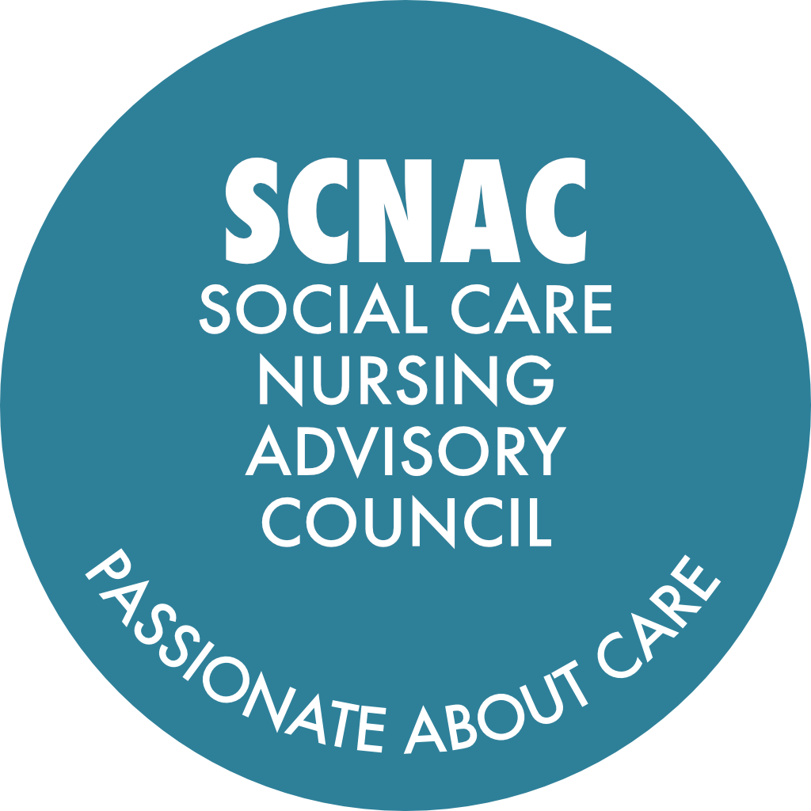 |  | SCNAC Email Addresses: Co-Chair: Scarlett MacDonald - scarlett.southeast@scnac.co.uk Co-Chair: Pat Conteh - pat.southeast@scnac.co.uk SCNACs Admin: Sonia Pritchard - AdminSCNAC@theoutstandingsociety.co.uk
NAME OF GROUP: SOUTH EAST Region SCNAC (Social Care Nursing Advisory Councils) Action Log - OPEN
Meeting date / date | Subject | Action | Details | Lead | Due Date | Update | Date Completed

Ongoing Pinned | Council Members Bios and Photos | Please submit your high resolution photos and short bios (approx. 100 words) to Sonia (Admin.SCNAC@theoutstandingsociety.co.uk) to be included on the website | Some Bios and Photos are still outstanding | All | ASAP | Ongoing
26-Sep-24 Pinned | Chief Nurse Awards for Adult Social Care | Identify colleagues to nominate to recognise their work in the sector | Open to all in the sector, not just nurses. Team awards also available. https://www.gov.uk/government/publications/chief-nurse-adult-social-care-awards-nomination-forms | All | When appropriate | Ongoing
15-May-26 Pinned | SCNACs Council Membership Registration Form | If you haven't already done so, please complete the registration form: | https://forms.monday.com/forms/7dc258c28cba640906207548fb3c9905?r=euc1 | All | ASAP | Ongoing
11-Aug-26 | Residential Research Lead Recruitment | Draft and circulate a revised description or blurb for the residential research lead role to make it more accessible to social care providers and disseminate it through relevant networks. |  | Claire / Sharon | When possible
11-Aug-26 | Global Majority Network Information Sharing | Send out information and registration links for the Global Majority Network to all council members and ensure dissemination within their organisations. |  | Sara / Pat | Included with follow up |  | 17-Aug-26
11-Aug-26 | EXPRESS Study Provider Engagement | Send out surveys and questionnaires to providers regarding their policies and practices on suicidality and tiredness of life in adult social care as part of the EXPRESS study. |  | Scarlett | When possible
11-Aug-26 | Skills for Care Resources Circulation | Send links and supporting documents from Skills for Care regarding carer competency frameworks and delegation responsibilities to all meeting participants with the minutes. |  | Pat | With follow up
11-Aug-26 | IV Competency Pilot Update | Arrange for an update from the London pilot team on the IV competency framework and training progress at the next or following quarterly meeting. |  | Pat / Scarlett | At either Nov-26 or Feb-27 meetings
11-Aug-26 | Clinical Competency Framework Launch | Distribute the finalised national clinical competency framework to all relevant nursing staff and providers once it is peer reviewed and ready for national launch. |  | Scarlett | When possible
11-Aug-26 | Safeguarding Platform Dissemination | Share information and updates about the safeguarding platform and its task and finish group with relevant stakeholders to encourage engagement and feedback. |  | Scarlett | When possible
11-Aug-26 | Blog and Article Promotion | Write and circulate a blog or article about the collaborative work between social care and NHS nursing, highlighting the benefits and outcomes, for wider dissemination through networks such as the Outstanding Society and Nursing Times. |  | Sharon Lee | When possible
15-May-26 | The GIRFT Urgent and Emergency Care (UEC) Team and the Nursing Quality Team at NHS England - Case Studies Promotion | Circulate the request for case studies/examples of collaborative working to prevent admissions from residential and nursing homes, and consider forming a working group to support responses. |  | Pat / Sharon | Attached with the follow up. Deadline 31-May26
15-May-26 | Council Representation Review | Identify and recommend colleagues (especially student nurses, nurse associates, palliative care nurses) for council membership and representation. |  | All | When possible | Ongoing
15-May-26 | HEARTH Research Project Participation | Recirculate information about the Hearth research project and provide an update at the next meeting regarding recruitment of care homes. |  | Pat | ASAP
15-May-26 | Safeguarding Platform Testing | Volunteers required to test the new safeguarding platform and provide feedback on its functionality and usefulness. | Please send expressions of interest to: Scarlett - scarlett.southeast@scnac.co.uk Pat - pat.southeast@scnac.co.uk | All | ASAP
15-May-26 | CGM Device Data Management Issue | Escalate the issue of CGM device data not being utilised in care homes to Andrea and relevant parties, and seek support from other councils to address the problem. |  | Pat | When convenient
15-May-26 | CGM Device Training and SOPs | Flag the lack of training and standard operating procedures for CGM devices in care homes with health protection and relevant stakeholders. |  | Pat | When convenient
15-May-26 | International Workforce Equality Advocacy | Draft and send letters to the Department of Work and Pensions and HMRC advocating for balanced and fair treatment of international adult social care workers. |  | Fidelma | When convenient
29-Jan-26 | Ambulance Service Safeguarding Representation | Provide a name for ambulance service safeguarding representation for the Southeast council |  | Victoria Gray | When convenient
29-Jan-26 | HEARTH Research Project Participation | Share Lorraine Dixon’s research project leaflet and contact details with council members and invite interested care home providers and staff to express interest in participating. |  | Scarlett MacDonald / Pat Conteh | ASAP
29-Jan-26 | HEARTH Research Project Collaboration | Connect Helen and Lorraine Dixon offline to discuss potential collaboration and avoid duplication of work on heat and extreme weather in care homes in East Sussex. |  | Helen / Lorraine | ASAP when convenient
29-Jan-26 | Safeguarding Platform Pilot Participation | Volunteer as one of up to 10 providers to join the safeguarding platform pilot, test its functionality, and provide feedback and ideas for improvement. |  | All | Volunteers welcome
29-Jan-26 | Safeguarding Platform Promotion | Develop and distribute a flyer or promotional material to raise awareness of the NHS Futures safeguarding platform among social care providers and staff. |  | Scarlett MacDonald / Victoria Gray | When convenient
29-Jan-26 | Safeguarding Platform Access Criteria | Define and agree on the criteria for access and use of the safeguarding platform, including which roles and providers can participate. |  | All | Report at next meeting
29-Jan-26 | Safeguarding Symposium Collaboration | Share details and programme of the Eastbourne safeguarding symposium with Scarlett for potential inclusion and collaboration. |  | Elizabeth | ASAP
29-Jan-26 | Safeguarding Workstream Participation | We would also welcome any initial suggestions for subjects or areas you would like to see included within the platform, whilst this is a very short deadline, it would be really helpful to feed in early ideas ahead of this discussion if possible | https://forms.monday.com/forms/0f5755e3610529077f81bad17f7820bf?r=euc1 | SCNACs | ASAP when convenient
23-Oct-25 | Diversity in Council Membership | Research and suggest organisations or groups from underrepresented backgrounds that could be invited to join the Council and send recommendations via email or chat before the next meeting. |  | Scarlett / All | As convenient before Jan Meeting | Ongoing review, have contacted GMN, ICB's to promote membership
23-Oct-25 | QICN Committee Engagement | Arrange for a representative from QICN to attend a future council meeting and provide an update on their work in social care nursing. |  | Pat / Scarlett | Before next Meeting - Jan26 | Ongoing - awaiting update from QICN
23-Oct-25 | Promotion of All Our Health Social Care Resource | Share the All Our Health social care learning resource link and related materials across council members’ networks and newsletters to increase uptake and visibility. |  | Pat / Victoria / Michele / Jamie | ASAP when convenient | Awaiting further meeting with PHE to review clinical competency
23-Oct-25 | Integration of Public Health Competencies | Add public health nursing competencies to the clinical competency framework for nurses and link to relevant training resources, ensuring inclusion in the first draft due in 7 days. |  | Scarlett / Pat | 29-Oct-25 | Awaiting further meeting with PHE to review clinical competency
31-Jul-25 | Governance for Existing Social Care Prescribers | Raise the issue of governance systems and registration for existing prescribers in social care with the relevant team and report back on progress. |  | Adem Oyekan | When possible
31-Jul-25 | Clinical Competency Framework Representation | Volunteer to provide input from a complex community, mental health, and learning disabilities perspective to the clinical competency framework development. |  | Adam Smith | When required
31-Jul-25 | Internship Programme Communication | Distribute details of the new research internship programme, including application information, to relevant networks once the communication package is finalised. |  | Claire Pegg | ASAP when convenient
31-Jul-25 | Central Respository for Adult Social Care Resources | Collaborate to revisit and develop a central repository for adult social care resources and communications for the Southeast region, involving interested colleagues. |  | Zoe Fry / Scarlett MacDonald / Pat Conteh | ASAP when convenient
31-Jul-25 | Safeguarding Task and Finish Group Participation | Identify community based nurses to join Task and Finish Group and confirm contact details |  | Joanna Grant | ASAP
8-May-25 | Preventable Hospital Admissions | Revisit the topic of preventable admissions in the next quarterly meeting to further analyse the data and identify focus areas for the South East. |  | All | For discussion at next meeting | A/A
8-May-25 | Mentorship Scheme | Explore the possibility of integrating social care nurses into the existing regional safeguarding mentorship scheme to enhance collaboration and professional development. |  | Vicky Gray | When convenient
8-May-25 | Data Source Verification | Verify the data source used for the analysis of care home patient admissions to ensure accuracy before implementing any actions. |  | Andrea Lewis | When convenient
8-May-25 | Infection Data Analysis | Focus on analysing infection data as part of the benchmarking and dashboard efforts for the SE region. |  | Kate Meacock (Steering Group) | When convenient
8-May-25 | Safeguarding Communication | Create a diagram of the different safeguarding groups across the SE region and how they interact with adult social care to improve communication and representation. |  | Zoe Fry | When convenient
8-May-25 | Preceptorship | Fidelma suggested that Preceptiorshop could be another conversation / agenda item for the next meeting |  | South East SCNAC | For future meeting
16-Jan-25 | Council Membership - Adult Social Care Nurses | Write a one-page document detailing the desired nurse representatives from all ICBS and send it to Sue from SESCA and Ryan from RCN for distribution. | (Cross section - Care home / LD / Nursing education - all from Adult Social Care - Nurse leaders of the future) - Sue from SESCA to make introductions | Zoe / Scarlett
16-Jan-25 | What is Adult Social Care | Zoe and Scarlett are leading on one of the primary care education sessions in Sussex to present on 'What is Social Care' Will document so this can be replicated and rolled out |  | Zoe / Scarlett | 30-Jan-25
16-Jan-25 | Brighton Pride | Set up a splinter group to organize participation in Brighton Pride, including inviting Duncan and Deborah | Brighton Pride dates are 02-03Aug25 | Zoe / Scarlett
16-Jan-25 | Data Collection and Analysis | Firm down the definitive metrics for data collection on hospital admissions and safeguarding trends with Andrea. Andrea to think about who we could link with to report on this? | Add as a standing agenda item: What is going on in our areas? Trends on admissions? What are safeguarding scenes that are coming up? What are the top 3 priorities across health and social care? | Zoe / Scarlett / Andrea
16-Jan-25 | Student Nurse Engagement | Collaborate with Sharon to incorporate social care into sessions with nursing students to raise the profile of social care careers |  | Marissa
16-Jan-25 | Insurance Issues in Social Care | Write up the process of overcoming insurance issues for advanced nursing care in social care settings and share it with the group. | Also liaise with Nuno and Louise in the London region SCNAC as this was discussed in their quarterly meeting too. | Scarlett
16-Jan-25 | Research Work | Arrange for an update on the research work being done in collaboration with Bucks New Uni and RSG re developing advances practice - a grant supported by Burdett |  | Rachael Corser | For next meeting
26-Sep-24 | Task and Finish Groups for Local Priorities: 1) Clinical Competencies 2) Communications Plan | To hold 4 meetings of an hour for each group, before next quarterly meeting - 16Jan25 with clear outcomes. | - Dates to go out for these. - Volunteers to contact Zoe and Scarlett for each repsective group (Zoe, Comms plan and Scarlett, Clinical Competencies). - Melanie to sit in on task and finish group. - How to expand to social care nurses for parity and inclusiveness. - Victoria wants to be involved in clinical competency group. - Marianne - Locality manager will sit in on clinical competency - either Mike Bailey (Sussex) or Rachel Reid (Barkshire). - Members do not have to sit on the council, if you know of people who can add value to these task and finish groups please introduce them to the chairs. | Zoe / Scarlett | 10-Jan-25 | See attached ToR and Membership details
2-Jul-24 | Regional Organisations and Signposting | Identify regional organisations and how we link in to them - information on the webpage | Use webpage as a central repository to share information within ICBs / within the region (care associations, NIHR, access to research, access to training resources, access to funding, groups) For NHS colleagues - is Social Care represented on the meetings you are going to? | All | Ongoing | Zoe sent email to all council members with a table to complete details of regional organisations to include on the webpage. Wants to move forward with this, section on website. Members still to complete ahead of comms meeting - ongoing work
2-Jul-24 | Data | Look at safeguarding issues. | Is there a way to look at data for the South East and look at what the themes are around safeguarding and clinical competencies? Any suggestions welcome | Zoe / Scarlett / Andrea / All | Ongoing | Had a discussion with Andrea - looking at data and safeguarding issues. Looking at a later point. Revisited with Andrea 25/10/24. Andrea will look at any trends
2-Jul-24 | Social Media | Develop a social media platform | People tend to interact with social media more frequently than visiting a website, so if we use social media to signpost to the webpage, it might get more traction (there is already an original ICB page so could re-visit and develop) | SCNAC Team | Ongoing | Within next 3 months - social media platform for South East region This will form part of the Comms plan

