OPEN
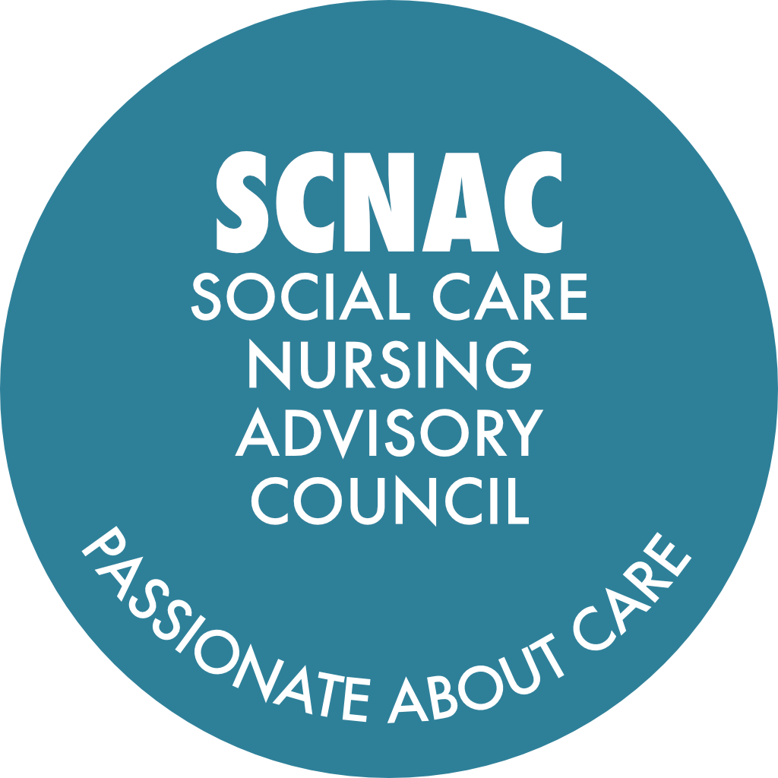 |  | SCNAC Email Addresses: Co-Chair: Karen Davies - karen.northwest@scnac.co.uk Co-Chair: Michelle Howarth - michelle.northwest@scnac.co.uk SCNACs Admin: Sonia Pritchard - Admin.SCNAC@theoutstandingsociety.co.uk
NAME OF GROUP: NORTH WEST Region Social Care Nursing Advisory Councils (SCNACs) Action Log - OPEN
Meeting date / date | Subject | Action | Details | Lead | Due Date | Update | Date Completed

08-Jan-25 Pinned | Council Members Photo and Bio for the Website | If you have not already done so already, please do send us a high resolution photo of yourself and a short bio (approx. 100 words) that we can upload onto the Northwest SCNAC page. | North West page can be found here: https://theoutstandingsociety.co.uk/scnac/ Photos and bios to: Admin.SCNAC@theoutstandingsociety.co.uk | All | ASAP |  | Ongoing
23-Jul-25 Pinned | Chief Nurse Awards for Adult Social Care | Deborah Sturdy is encouraging you all to please nominate colleagues and teams doing outstanding work for a Chief Nurse Adult Social Care Award. | Open to all in the sector, not just nurses. Team awards also available. https://www.gov.uk/government/publications/chief-nurse-adult-social-care-awards-nomination-forms | All | When appropriate | Update 23Jan26 - please continue to submit your award nominations | Ongoing
19-May-26 Pinned | SCNACs Council Membership Registration Form | If you haven't already done so, please complete the registration form: | https://forms.monday.com/forms/7dc258c28cba640906207548fb3c9905?r=euc1 | All | ASAP |  | Ongoing
19-May-26 | Opportunity to highlight ASC practice and initiatives | James Mclean CNO NW - Duncan Burton CNO England is out and about. Chance promote anything you want to shout about and showcase, please let James know. | James will try and get Duncan scheduled in to either attend one of these type forums or visit in person and see the good work at first hand. | James McLean | When appropriate | James has left his position. Karen to contact Bridget Lees (replacement Regional CNO) to agree her team to take up this offer.
12-Aug-26 | Sharing Falls Assessment Tool | Distribute the post falls clinical assessment and management pathway document to any interested care homes or services for trial and feedback. |  | Craig / Sonia | With Follow Up from Meeting | Craig agreed to include his email in Action points letter for members to follow up - manager@gorseyclough.co.uk
12-Aug-26 | Membership Diversity and Representation | Consider and suggest individuals with lived experience of social care who could contribute to the council’s work, and share potential contacts with the group. |  | All | Consider and discuss at the next meeting
12-Aug-26 | Task and Finish Group Engagement | Summarise and circulate the key points and action items from the recent task and finish group on avoidable hospital admissions to the wider group, inviting additional participation and input. |  | Michelle Howarth / Michelle Tennant | ASAP When Convenient
12-Aug-26 | Research Survey Participation | Send the survey link and supporting materials for the Delphi study on adult social care nursing placement standards to the group and encourage members to complete and share it before the 31st of August. |  | Melanie | Included with meeting follow up |  | 17-Aug-26
12-Aug-26 | Placement Funding Opportunities | Disseminate details of new funding for student nurse placements in community settings to the group as soon as they are released. |  | Jean | When available
12-Aug-26 | Grant Application Support | Share information about the upcoming webinar to support organisations in improving grant applications for nurse degree apprenticeships once details are available. |  | Jean | When available
19-May-26 | Sharing Research Opportunities | Share the NIHR internship programme details and associated links with all relevant contacts to encourage applications before the deadline. |  | Janette Dunkerley | When Convenient
19-May-26 | Collaboration on Care Home Quality and Admission Avoidance | Arrange a joint meeting to align partnership working and data-driven approaches for care home quality and admission avoidance, including potential research and pilot projects. |  | Michelle / Karen / Richard / Melanie / Sue / Mary / Janette
19-May-26 | Promoting Research Engagement in Social Care | Arrange for Sailus to speak to nurses in Cheshire and Merseyside about research engagement and share strategies for increasing participation. |  | Sailus / Sue
23-Jan-26 | Newsletter Distribution and Feedback | Send the previous newsletter again with the follow-up notes and collect feedback from members regarding its usefulness and whether it should be continued. | Did you open the newsletter? Did you read the newsletter? How often would you like to see a newsletter? How would you rate the content? What content would you like to see in future issues? | Sonia / All | With Follow Up from Meeting
23-Jan-26 | Newsletter Contributions | Please send across content you would like to be included in the next newsletter |  | All | When relevant / Ongoing
23-Jan-26 | Succession Planning for Co-Chairs | Start considering potential candidates and ideas for succession planning for Co-Chairs of the group and provide input for the action planning process. | Co-Chair Term is 2-years with a possilble extension to 3-years. If anyone would be interested in taking on this position, or has suggestions of someone that might be an exceptional Co-Chair, please let us know. | All | To discuss at next meeting | 11-Aug-26 One new Co-Chair, Michelle Tennant, taking over the Co-Chair Seat from Michelle Howarth in Sep-26. If anyone is interested in following in Karen Davies shoes, please express your interest by emailing Admin.SCNAC@theoutstandingsociety.co.uk
23-Jan-26 | Social Care Internship Programme Updates | Invite Karen Lowe to return and provide a further update on her social care internship project at a future meeting, likely in the summer. |  | Karen / Michelle / Janette / Karen | At one of the next meetings
23-Jan-26 | International Round Table | Carry forward agenda point with update on International Round Table to May meeting |  | Michelle | Update at May-26 Meeting
23-Jan-26 | Newly Qualified Nurse joining NW SCNAC | Introduce newly qualified nurse to attend SCNAC meetings and join council for representation. | Make introductions to Karen and Michelle karen.northwest@scnac.co.uk michelle.northwest@scnac.co.uk | Gemma Maher / Karen / Michelle | When Convenient
13-Oct-25 | Distribution of Previous Meeting Action Points | If anyone has not received the previous meeeting notes and action points, please let Sonia know and she will arrange for them to be re-sent |  | All / Sonia | ASAP
13-Oct-25 | Questions for Deborah Sturdy to raise to relevant departments | Escalate questions to national leadership for further clarification on International recruitment changes. | Questions particularly around staff that were here before July and whether their visa applications will have to extend to 10 years / the indefinite leave to remain / pay rates for people who are displaced | Karen through OS | Monthly SSG Meeting
13-Oct-25 | Sharing Student Placement Experiences | Explore suitable method for collecting and sharing opinions and feedback from students who have participated in social care placements, including those involved in the CACHE projects | e.g. discussion board, email, reflection | Jessica / Sarah / Michelle | ASAP
13-Oct-25 | Collation of Best Practice and Lessons Learned in Student Placement | Develop a mechanism for members to share both successful and unsuccesful experiences regarding student placements in social care settings. | Ensure lessons learned are captured and disseminated | Michelle / Karen | When Convenient
13-Oct-25 | Hospice Sector Engagment | Contacct local Hospice (Trinity) to explore their interest in participating in the council and sharing their expertise in improving services |  | Alison | When Convenient
13-Oct-25 | Wigan Hospice and Practice Development Team Contacts | Share contact details for the Wigan Hospice and their practice development team with Sarah to support joint working and best practice sharing |  | Lizzy / Sarah | When Convenient
13-Oct-25 | Pharmacy Student Placement Collaboration | Send contact details for Harsha, who has coordinated pharmacy student placements in care homes, to Karen to facilitate collaboration and sharing of best practice |  | Lizzy / Karen | When Convenient
13-Oct-25 | Student Placements | Lizzy, Sarah and Jo to link up with regards to Student Placements and share any develpments at the next meeting with the Council |  | Lizzy / Sarah / Jo | When Convenient
13-Oct-25 | Workstreams Linked to WWL and Potential Spoke Days for Nurses to work with UCR Services | Lydia to touch base with Sarah |  | Lydia / Sarah | When Convenient
13-Oct-25 | Delegated Healthcare | Michelle Tennant is involved in delegated headway and has made great headway if anyone (in particular Sarah Kennedy) needs support. | Michelle is also a Social Care Intern so working to capture from a research perspective too | Michelle Tennant | As required
13-Oct-25 | Skills for Care | Kamran to meet with Sarah to discuss the blended role work further and delegated healthcare |  | Kamran / Sarah | When Convenient
13-Oct-25 | Current Agenda and Potential Speakers | Lydia is thinking about same day emergency care, ambulatory frailty support, Virtual wards and hospital at home and urgent care reponse - Also giving an update on the ten year plan, single points of access etc. | Please connect with Lydia if you would like to talk through. If you would like Lydia's email address, please contact Sonia. | Lydia / All | When Convenient
13-Oct-25 | Current Agenda and Potential Speakers | Ian Nelson suggested Jenny Padgett, Head of International Recruitment from NHS Professionals | Email address shared with Karen and Michelle | Karen / Michelle | When Convenient
23-Jul-25 | Scoping Review | Working with RCN to develop a scoping review around preventable hospital admissions | Currently working with the RCN Research Institute and RCN library staff to develop the search strategy | Michelle | 12 months
23-Jul-25 | Ensure student representation | Invite students to the NW SCNAC and (with agreement from Debs Sturdy and Lucy Gillespie) pilot a social care student nurses SCNACS champions scheme to compliment and work alongside the student ambassadors described in the Skills For Care Placement strategy. | Michelle to ask at EHU and Melissa Stanton will reach out to RCN Student COmmunity. | Karen & Michelle | Next meeting
23-Jul-25 | Newly Qualified Practitioners Update | Email Jean Hales to request a summary statement about the plans for newly qualified practitioners to share with the SCNAC | James updated in the chat during the meeting that he had contacted Jean and she would be contacting the council via the OS and would directly contact Adele to answer her queries directly. | Michelle Howarth | ASAP
23-Jul-25 | Preceptorship Programmes Information | Provide information on preceptorship programmes for Adult Social Care provision to support newly qualified nurses |  | James McLean | When Convenient
23-Jul-25 | Preceptorship Webinars | Organise and promote a series of three webinars on preceptorships for social care providers |  | Carol | When Convenient
23-Jul-25 | Social Care Learning Environment Groups | Review progress on newly qualified nurses and preceptorship work in the autumn and plan next steps |  | Susan Clarke | Before next meeting
23-Jul-25 | Social Care Placement Models | Expand the social care subgroup of the Northwest Practice Education Group to include HEIs and discuss future placement models |  | Susan Clarke | When Convenient
23-Jul-25 | Ensure service user representation | To include a number of service users from across the sector | Carol Mitchell will reach out to SU groups in Skills for Care | Karen | Next meeting
23-Jul-25 | Michelle Howarth's Commitment | To feedback from the role development and identify there is some work around looking at research. | Work with this group to develop those research priorities to feed that into that planning meeting in April online. | Michelle Howarth | Next meeting
23-Jul-25 | Sarah Kennedy's Commitment | To look at all of the interesting things that people have been sharing and talking about. Would like to talk about her project that is coming to an end at the next meeting and share with Karen as part of what is going on in the region. | In particular reading the article that Sue and Sue were involved in writing. Writing up a resource to do with indirect practise supervision and assessment. | Sarah Kennedy | Before/at next meeting
23-Jul-25 | Supporting Sarah Kennedy in her new role | Sarah to contact Carol Mitchell at Skills for Care when she has settled in to her new post to see how they can support | Sarah if you need Carol's contact details, please contact Sonia and she will put you in touch | Carol Mitchell / Sarah Kennedy | When in post
23-Jul-25 | Training Package on Antipsychotic / Benzodiazepine Meds | NHS Lancashire and South Cumbria ICB are wokring on a training package - if any one has something already, please do share. | Please contact Sonia and she can put you in touch with Adele if you don't already have her contact. Susan Clarke to share some apps developed with Uni of GM that might be useful for format ideas (see updates and information). Julie York is interested to know more about this Adele. | Adele Thornburn / All | If available
3-Apr-25 | Michelle Howarth's Commitment | To feedback from the role development and identify there is some work around looking at research. | Work with this group to develop those research priorities to feed that into that planning meeting in April online. | Michelle Howarth | Next meeting
3-Apr-25 | Sarah Kennedy's Commitment | To look at all of the interesting things that people have been sharing and talking about. Would like to talk about her project that is coming to an end at the next meeting and share with Karen as part of what is going on in the region. | In particular reading the article that Sue and Sue were involved in writing. Writing up a resource to do with indirect practise supervision and assessment. | Sarah Kennedy | Before/at next meeting
3-Apr-25 | Craig Priestly's Commitment | Meeting up with Barbara and Karen about the article for nursing older people. Meet up with Sue because of the Greater Manchester listening event activity coming up in May | Maybe at the next meeting he, Sue Clark and Sue Noon will hopefully have a kind of framework and be able to present those findings. | Craig | Next meeting
3-Apr-25 | Sue Noon's Commitment | Continue with the placements and curriculum work that she is doing in Cheshire, Merseyside - but also pushing on CPD for Social Care Nurses in her acute trust. | Will update at the next meeting | Sue Noon | Next meeting
3-Apr-25 | Michelle Tennant's Commitment | To meet with NHS England regarding the student initiative. Working with delegated healthcare activities group on the competencies. Visiting the SCNAC stand at Care Show London Continuing work with pushing out the research and working with Skills for Care. | Already has six of her local franchises with student placements so trying to push that out to a wider network. Will update at the next meeting | Michelle Tennant | Mtg booked 04-Apr-25 Mtg booked 30Apr/01May25
3-Apr-25 | Paula Palmer-Charlery's Commitment | Comms colleagues are now hopefully ready to see if there areany people that can do some guest articles to raise the profile of all the great work happening and share the work. Going to send some of the links circulated during the meeting to colleagues who oversee independent adult social care work. | For reference, NMC have recently appointed several other advisors to the team who have a focus on engaging in independent sector and specifically adult social care, meaning there will hopefully be more to share as the months continue. | Paula Palmer-Charlery | Before next meeting
3-Apr-25 | Peter Weller's Commitment | To work with Susan and Joe Finity in Greater Manchester to discuss adult social care placements and opportunities. | There some funding coming to an end and Peter is meeting with all of the provider chief nurses to look at whether theres and opportunity to coordinate something. | Peter Weller | Before next meeting
3-Apr-25 | Pauline Bradshaw's Commitment | To share teh West Kent work around the single point of access hug with my regional UEC team as she is sure they are doing some similar work | The team might do some direct connecting in terms of some of the learning | Pauline Bradshaw | Before next meeting
3-Apr-25 | Emily Devitt's Commitment | To speak to her nurses and get their feedback on the positives students bring to our service and how the barriers we have identified can be overcome from a floor nursing perspective, and what benefits they find. Also continuing to speak to students around their social care experience and changing perspectives. |  | Emily Devitt | Before next meeting
3-Apr-25 | Melanie Stephen's Commitment | To send out CoP for NIHR such as ENRICH and Prison Nurses | So they can be shared and those interested can join. | Melanie Stephens | Before next meeting
3-Apr-25 | Zena Aldridge's Presentation | Arrange for the presentation to be shared with NW Council Members |  | Michelle Howarth | When Obtained
3-Apr-25 | Research Internships | Share the advert for the 12 regional social care nursing research internships |  | Michelle Howarth | Once Available
3-Apr-25 | Research Champions | Invite locality-based social care nursing research champions to the next SCNAC NW quarterly meeting |  | Michelle Howarth | Jun-25
3-Apr-25 | Listening Event | Circulate the invitation for the listening event on 15th May 2025 at Salford University to the SCNAC group |  | Susan Clarke | ASAP
3-Apr-25 | Draft Placement Strategy | Will be closed for comments on 22nd April 2025. Jez to circulate the link to the draft document |  | Jez Ashdown | ASAP
3-Apr-25 | RCN Foundation LV=Quality Improvement Project | Please share this widely. RCN Foundation have 10 grants of up to £2500 for quality improvement projects. Would be wonderful to have some social care ones. They have also opened up their education grants. | https://rcnfoundation.rcn.org.uk/Grants-and-funding/Research-and-practice-grants/RCN-Foundation-LV-Quality-Improvement-Project | Shared by Karen Davies | Open
3-Apr-25 | CoP for NIHR | Melanie to circulate the CoP for NIHR such as ENRICH and Prison Nursese so they cna be shared and those interested can join. |  | Melanie Stephens | When convenient
3-Apr-25 | Single Point of Access Hub | Presentation that was given during the meeting by Claire Bentley to be shared with the follow up | If there are any questions, please do send them to Sonia and we will get them answered for you | Sonia / All | Before next meeting
08-Jan-25 / 03-Apr-25 | Ideas, Innovations, Solutions, Best Practise | If you have any.... please share. Either at the next meeting or inbetween. It might be a small thing - or it could be a huge solution for someone withing the sector so don't be shy! |  | All | Ongoing | 03Apr25 - we have not received any feedback from members to date so another rally cry for members to share what is going on - big or small!
8-Jan-25 | Cavalry Healthcare Placement Opportunities | From the chat: Would love to offer placement opportunities within their services if there is an interest. | Cavalry Healthcare have had student nurses from Edghill before and there are lots of opportunities to see complex health needs. Contact Abbie Cliffe. | Abbie Cliffe | When required.
8-Jan-25 | Nurse Paramedic Role Integration | Explore further with Health Education England and other partners how to develop and integrate the nurse paramedic role into the workforce, ensuring the job market is ready for this dual qualification. | Nurse Paramedic presentation included with email | Catherine Croughan
8-Jan-25 | Research Opportunities | Contact Zena Aldridge to discuss how to maximize the opportunity for social care nursing research and potentially secure funding for research champions, internships, and pre-doctoral fellowships. | Discuss joint research opportunities with Zena and how they align with the RCN strategy | Michelle Howarth (copy Deborah Sturdy in to comms)
8-Jan-25 | Digital Solutions for Care Homes | Follow up with Alice on the digital solutions for social care, particularly addressing the issue of rural broadband costs. |  | Deborah Sturdy
8-Jan-25 | Funding for Nursing Associates | Provide feedback on the impact of the funding received for nursing associates and explore possibilities for additional funding. |  | Barbara
06-Dec-24 07-Jan-25 | Student ready | e meeting | Dr Nicky Morrell-Scott Nursing Workforce Senior Manager Nursing, Midwifery & Public Health Team Health & Care Education Sub-Directorate Workforce, Training and Education (WT&E) Directorate NHS England - NW - discussing placement readiness joining up NW initiatives - T levels - tarrifs blockers and solutions . to be NW member | Karen | ongoing
22-Nov-24 29-Jan-25 | Social Care Nursing Workforce & Education Group | NW workforce development priorities | identfied Student ready and access to education and enabling research opportunties | Karen Michelle | ongoing
9-Jan-25 | T Levels | e meeting John Herring Director of Organisational Development and Culture GM NW NHS | met to discuss opportunities with T levels as an introcuction into ASC being student ready. Agreed to explore otions and engagement with ASC uptake . Next steps meet with SFC re gudance developmet | Karen | ongoing
14-Oct-24 | Student ready | e meeting | Michelle e introduction to discuss the development of a research buddy system for nurses working in social care. Janette is the Assistant Chief Nurse Research & Innovation, and Health & Care Director of the North West Regional Research Delivery Network (RRDN). | Karen
10-Oct-25 | Membership | Met Sarah Kennedy Bolton Uni | Learning disabilties Nurse educator to join NW SCNACS | Karen | 1-Oct-24
24-Sep-24 | Review Date | 1.Need a review date organised for members for next year. | Karen suggested July 2025, to be confirmed | Karen | 31-Jul-25
24-Sep-24 | National Priorities - Education and Workforce - Being Student Ready | 2.Education of pre-registered nurses. Making the social care sector 'student ready' and building a space to share. Myth busting out on placements and thinking about where the next cohort of students will come from. Social care being a mandatory placement for students. | Sue Noon expressed interest. She has just started welcome packs for students and will share with everyone for them to also pass to other regions. Melanie Stephens and Liz Williams also expressed interest in the chat. | Melanie Stephens / Liz Wiliams/ Sue Noon | ASAP | Student pack, promoted on SCNACS page. KD engaged Dr Nicky Morrell-Scott. KD Meeting arranged 9/1/25 with NHS John Herring Director of Organisational Development and Culture- education workforce developent. KD engaged with or met with: Nursing Workforce Senior Manager . Liz Williams, Melissa Stanton RCN. NHSE / NW ICB CN & Provider DoNs (In person meeting)- colaboration education. Social Care Nursing Workforce & Education Working Group. NW NHSE/ ICB CN Team meeting. Jo Finnerty.
24-Sep-24 | Inspiring Module | 4.Melanie uses a module called Inspiring, and has got care home managers to be a part of. Karen mentioned developing sub committees and working groups for this. Putting out a call to arms to plug any gaps. | Melanie has a meeting also regarding this. she invited the group to contact her . | Melanie / Karen | Nov end | Engagement with NW SC nursing workforce education working group. Student pack, promoted on SCNACS page
24-Sep-24 | Developing Student Placements - Medical Outreach Programmes | 5.Event coming up where people will share the learning from this | Find out and send the link for this - November 18th. Andrea Boland to be invited (andera.boland@nhs.net) to the meeting to give update on Regional WT&E work and supporting next steps. | Michelle Howarth | Oct end
24-Sep-24 | NW Merseyside Examples - Day In the Life Of | 6.With their permission we can use these to reach out to education providers to utilities this with storytelling. Developing communication pieces and flyers for this. | Melanie created a survey and scale for ICB project asking students week by week what they have learnt about themselves. Can we develop this further as data | Sue Noon | Nov End | Promoted on NW SCNACS WWW.
24-Sep-24 | Student Experiences | 7.Student experiences - and why they came back to the workplace they had placement at one qualified. | Emily Devitt - From a base level noticed students were not getting external placements and contacted local universities to ask why. Reaching out to those universities. If placements are cancelled within NHS, putting yourself out there so you are contacted. Feedback available also on SCTH website and flyers (lscthub.co.uk) | Emily Devitt | Nov End | KD collected provider examples of blockers for working group discussions.
24-Sep-24 | Workshop - Internationally Trained Nurses | 8.To help with transitions. | Get in touch with Mark Brooke or Paula - regulation advisor for NW regarding this. | Mark Brooke/ Karen Davies/All educators | Oct end | KD -Meeting held- no further action required at this time
24-Sep-24 | Engaging and Building Relationships with NWAS | 9. More cohesive relationships. Michelle and Karen will feed back. Potential to reduce unnecessary referrals to safeguarding teams. Clinical understanding - how we work and communicate as a profession to reduce misunderstandings on what is reported. Very different safeguarding criteria to social care, Catherine Brierley would be happy to work on NWAS as has been at this for years. Working to improve understanding between professions. | Understanding safeguarding training paramedics get. Where the gaps are we can work towards with them. Emma O'kane has a link to a TED talk on civility and can share this. Melanie said this was an issue with care homes that comes frequently and would like to be involved in this too. Emma to share information with the group . Jacke offered help also with NWAS as had had conversations with them. Emma Okane referenced Angela Clarke re Safe transfers of care - workstream- NWAS involved will provide link ups. Andrea Boland was invited to the next meeting by Jackie Hanson | Karen/Catherine/Emily/ Emma/ Melanie/ Jackie | Ongoing- Acton specific meeting TBA by Oct end | KD Engaged or met with : with NWAS Michelle Ashworth - Angela Clarke- NHS - NWAS partnerships - Emma Orton NWAS - common language - SCNACS re NWAS Janette Dunkerley. NHSE / NW ICB CN & Provider DoNs (In person meeting)- colaboration education. Social Care Nursing Workforce & Education Working Group. NW NHSE/ ICB CN Team meeting(Jackie Hanson). Stu Kaill Senior Programme Development Lead Health inovation Manchester. (SBARD,NEWS2,RESOURCE2). ASC rollout (common language)
...

