OPEN
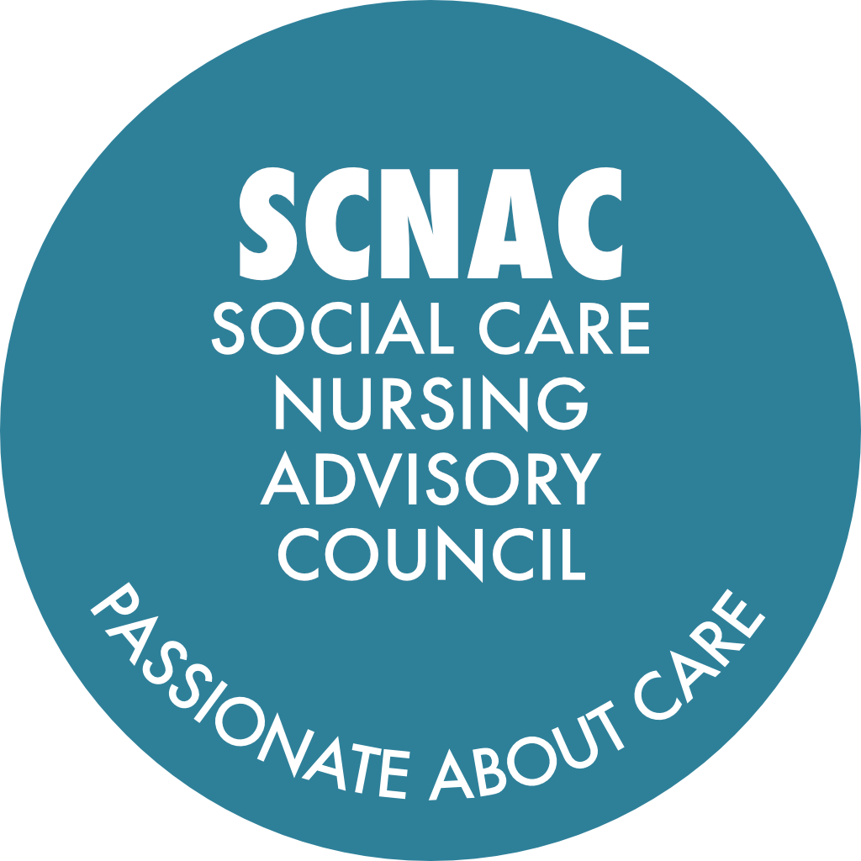 |  | SCNAC Email Addresses: Co-Chair: Anita Astle - anita.midlands@scnac.co.uk 2nd Co-Chair - TBC SCNACs Admin: Sonia Pritchard - AdminSCNAC@theoutstandingsociety.co.uk
NAME OF GROUP: MIDLANDS Region Social Care Nursing Advisory Councils (SCNACs) Action Log - OPEN
Meeting date / date | Subject | Action | Details | Lead | Due Date | Update | Date Completed

02-Jul-24 Pinned | Council Members Bios and Photos | Please submit your high resolution photos and short bios (approx. 100 words) to Sonia (Admin.SCNAC@theoutstandingsociety.co.uk) to be included on the website | Would be grateful if you could put 'Midlands' in the subject line | All | ASAP | 14Jan25/22Jul25/22Oct25/14Jan26 - reminder to send in bios and photos please if they have not done so already - would love to be the first region to have a full house of photos and bios on the web page! | Ongoing
22-Jul-25 Pinned | Chief Nurse Awards | Encourage team members to submit nominations for the Chief Nurse Awards | https://www.gov.uk/government/publications/chief-nurse-adult-social-care-awards-nomination-forms | All | ASAP | Reminded at Jan-26 and May-26 meetings | Ongoing
12-May-26 Pinned | Up-to-Date Council Records | As per email send out, please can ALL council members update their details by completing this form: | https://forms.monday.com/forms/7dc258c28cba640906207548fb3c9905?r=euc1 | All | ASAP |  | Ongoing
4-Aug-26 | Diploma Programme Continuity | Work with Margot and colleagues to identify a new institution to host the Level 6 and Level 7 diplomas for social care nurses, following the withdrawal by Greater Manchester University. |  | Anita Astle / Margot | When Possible
4-Aug-26 | Fitness to Practise Joint Learning | Connect Jacqueline Barnes with Lynne Bowers and Joyce to share learning and coordinate efforts on fitness to practise processes and referral practices in social care. |  | Jacqueline Barnes / Lynne Bowers / Joyce Fletcher | When Convenient
4-Aug-26 | Dysphagia Research Participation | Send details of the stakeholder steering group and survey for the NIHR-funded dysphagia compensatory interventions study to SCNAC members and circulate the survey to gather input from care homes and professionals. | Shared in the chat by Sevim Hodge: It would be great to have some experts to support the project as it builds and progresses. The commitment is 1 hour every 2 months. If there is any interest, please contact Sevim and she will send more information - s.hodge@qmul.ac.uk | Sevim via Sonia | With Follow Up
4-Aug-26 | Dysphagia Toolkit Consolidation | Share links to regional dysphagia toolkits and resources with Anita and Sonia for inclusion on the Midlands page of the Outstanding Society SCNAC and participate in a final working party to discuss further actions for raising awareness of dysphagia. |  | Anita Astle / Sonia / Relevant Toolkit Owners | With Follow Up
4-Aug-26 | Nursing Strategy and Placement Collaboration | Lucy McDonald and Jacqueline Barnes to arrange a meeting, including relevant colleagues, to discuss aligning efforts on nursing workforce strategy, student placements, and celebrating excellence in nursing. |  | Jacqueline Barnes / Lucy McDonald | When Convenient
4-Aug-26 | Co-Chair Recruitment | Spread the word about the vacant Co-Chair position for the Midlands SCNAC and encourage interested individuals to apply by contacting Sonia, with interviews being scheduled on or before 18-Aug-26 |  | All | ASAP
12-May-26 | NMC Social Care Nurse Advisory Group Participation | Encourage colleagues to participate in the NMC Advisory Group for Social Care Nurses to ensure continued representation and input |  | All | ASAP | Anita expressed interest to join. Due to attending the Kings Garden Party both Anita and Jo-Anne were unable to attend the event on 6th May.
12-May-26 | NIHR Internships Promotion | Promote the NIHR Internsips to teams and encourage applications for the next cohort | https://www.nihr.ac.uk/career-development/researcher-development-programme-social-care-nurses | All | ASAP | Promoted to Council members.
12-May-26 | Skills for Care Global Majority Network Engagement | Encourage colleagues to join and participate in the Skills for Care Global Majority Network to support its growth and effectiveness. |  | All |  | Promoted to Council members.
12-May-26 | National Honours Nominations | As well as the Chief Nurse awards, please encourage nominations for National Honours nominations | To ensure continued recognition of Social Care Nurses. | All |  | Promoted to Council members.
12-May-26 | Delegated Healthcare Activities Involvement | Ensure Adult Social Care Nurses are actively involved in the ongoing work and discussions regarding delegated healthcare activities. | Especially during the current pause and refresh that Deborah Sturdy mentioned | Jacqueline Barnes | When appropriate
12-May-26 | Delegated Healthcare Activities Guidance Engagement | Engage the Skills for Care National Team in the conversation about delegated healthcare activities and ensure their involvement in the development of guidance |  | Jacqueline Barnes | When appropriate
12-May-26 | Future of Social Care Nursing Voice | Raise with Duncan Burton and the CNO SLT the issue of maintaining and strengthening the Social Care nursing voice within the DHSC following Deborah Sturdy's departure, and clarify the role of regional Chief Nurses in this process. |  | Jacqueline Barnes | When appropriate
12-May-26 | Infection Prevention and Control Guidance Feedback | Provide feedback to the DHSC and UKHSA regarding the length and accessibility of the new infection prevention and control guidance, and discuss how best to communicate it to care providers. |  | Lynne Bowers | When appropriate | Anita is the process of feeding back.
14-Jan-26 | UKHSA Guidance Update | Look up the latest UKHSA references regarding IPC guidance and circulate the information to the group after the meeting. |  | Lynne Bowers | When Convenient | Noted
14-Jan-26 | Digital Update Request | Request an update from Katie Thorn on digital initiatives to be circulate with the meeting follow up. |  | Anita Astle | ASAP | Anita and Jo-Anne met with Katie Thorn and Nat Riley for advice re digitalising a Dyphagia Toolkit.
14-Jan-26 | Social Care Apps | Do any ICB's have social care apps - if so, please could you share the links with us: | Anita: anita.midlands@scnac.co.uk Jo-Anne: jo-anne.midlands@scnac.co.uk | All | When available | Only app aware of is BSOL.
14-Jan-26 | Care England Choking Paper Collaboration | Share the finalised Care England choking paper with the group when complete to explore opportunities for collaboration with the Dysphagia toolkit work. |  | Richard Ayres | When Convenient | CE and colleagues have decided not to collaborate with Midland's SCNAC.
14-Jan-26 | CNOs Strategy Review Presentation | Arrange for Hayley Bailey to present the CNOs strategy review at the next meeting as suggested by Jackie. |  | Anita Astle | For next meeting | No feedback from Hayley as yet? Still in post.
14-Jan-26 | Sharing Social Care Nurse Document | Share the updated social care nurse-focused document with the group and collect comments to inform the final version. |  | Lynne Bowers | When Convenient | Anita responded to Lynne and gave some suggestions regarding information to include.
22-Oct-25 | COVID Vaccine Eligibility for Vulnerable Adults | Escalate concerns regarding exclusion of young disabled adults with complex health needs from COVID vaccine eligibility to UKHSA and provide feedback to Diane after consulting relevant contacts |  | Adem Oyekan | ASAP | 14Jan26 - Adem has left DHSC - Anita to escalate to Deborah Sturdy
22-Oct-25 | Social Care Nurse Prescribing Barriers | Pass on escalated concerns about GP reluctance to recognise social care nurse prescribers to policy colleagues leading the nurse prescribing work |  | Adem Oyekan | ASAP | 14Jan26 - Adem has left DHSC - Anita to escalate to Deborah Sturdy
22-Oct-25 | Non-Medical Prescribing Project Support Required | Identify and reach out to potential DPPs (Designated Prescribing Practitioners) who can support nurse prescribing assessments in Nottingham and Derbyshire. | If any one has any contacts for DPPs that could work alongside the project, please contact Anita. Lorna Hollowood to share information with their ACP Alumni to see if there are DPPs in the area and liaise with Anita. | All / Anita Astle | ASAP | 14Jan26 - Adem has left DHSC - Anita to escalate to Deborah Sturdy
22-Oct-25 | Dysphagia Toolkit Development | Coordinate contributions from interested council members to develop a unified digital dysphagia toolkit for the Midlands. | Next meeting has been scheduled for Monday 8th December 2025 at 2.30pm | Jo-Anne Wilson / Dysphagia Working Group Members | Ongoing - update at January meeting | Review of checklists and information circulated by BSOL, Black Country, Nottinghamshire and LiNCA
22-Jul-25 | BSol Development programme | Louise Luckman to share with SCNAC for comments. Katie Welbourn to work with Louise. Jacqueline Barnes to corodinate work | Meeting outside of SCNACs to develop resource | Louise luckman/Katie Welbourn/Jacqueline Barnes | Update at next meeting | No update.
22-Jul-25 | Professional Care Workers Week | Submit nomiations for individuals or teams to be recognised during Professional Care Works Week in September |  | All | When Convenient | No update.
22-Jul-25 | CNO Strategy Review | To share the updated CNO strategy once it is reviewed and refreshed by the end of September |  | Jacqueline Barnes | End-Sept | Strategy continues in development stage, regional event is being planned and request sent to include social care nursing representatives. (Jacqueline Barnes 13-01-2026) Suggest close and invite Helen Bayley to next meeting to present
22-Jul-25 | Student Nurse Vacancies | Consider any roles that could be open for newly qualified nurses and share them on the regional platform |  | All | When available | No update.
22-Jul-25 | Transition to Practice Workshop | Share the NMC position on newly qualified nurses accepting healthcare assistant roles with the group |  | Tony Newman | ASAP | No update.
22-Jul-25 | Digitising Social Care Programme | To get involved contact Katie at Digital Care Hub and she will put you in touch with the team at DHSC. | Katie Thorn: katie@digitalcarehub.co.uk Katie also suggests emailing GetAdultSocialCareData.team@dhsc.co.uk to subscribe to their monthly update newsletter | Katie Thorn / DHSC | ASAP | No update.
22-Jul-25 | Dysphagia | To share Clinical Learning Alert on Dysphagia with council members | Send to Jo-Anne (jo-anne.midlands@scnac.co.uk) or Sonia (Admin.SCNAC@theoutstandingsociety.co.uk) to disseminate. | Louise Luckman | When Convenient | See above
7-May-25 | CQC Inspection Issues | Escalate the issue of delayed CQC inspections and its impact on social care providers to Deborah Sturdy for further action. |  | Anita Astle / Jo-Anne Wilson | ASAP | Jo-Anne has discussed with Johnathon Parry CQC Operations manager. There is to be a series of provider Engagement meetings in July to share up to date developments
7-May-25 | Nottinghamshire's Dysphagia Training Pack | Contact Nottingham for their training pack on dysphagia and choking prevention. Share with the council |  | Anita Astle | When Convenient | New checklist issued April 2026 - Being reviewed to inform Midland SCNAC toolkit.
7-May-25 | South Warwickshire's SALT Training | Share link with council |  | Jo-Anne Wilson / Samantha Preston | ASAP | Training curently being updated but will share once new training available
7-May-25 | Create a Repository |  | Jacqueline and Samantha offered to help with this to include brining members forward from the region who have solutions and best practice to share. | Anita Astle / All | Ongoing Update at July Meeting | No update.
7-May-25 | AI and Social Care | Provide a guide on different AI tools that managers and deputies can use to reduce their workload |  | Katie Thorn | When Convenient | No update.
14-Jan-25 | Social Care Networks | Put out a call to all ICBs to gather information about different networks and opportunities for social care involvement. |  | Anita Astle / Jo-Anne Wilson | On hold | Due to changes within ICB's at present, this item is on hold until new ICB workign arrangements have been decided and implemented | On hold
14-Jan-25 | Regulation 9A Guidance | Discuss with Deborah Sturdy and Duncan Burton to create and publicise guidance on Regulation 9A for social care providers. |  | Anita Astle / Jo-Anne Wilson | At Earliest Convenience | O/S, Diane Mayhew and Jo-Anne to do a podcast highlighting reg 9A
14-Jan-25 | Regulation 9A Awareness | Escalate the issue of inconsistent implementation of Regulation 9A to all CNOs and discuss with UKHSA |  | Lynne Bowers / All | ASAP | No update.
14-Jan-25 | Regulation 9A Training | Check if Skills for Care has any guidance on Regulation 9A and share link with the group (via Admin.SCNAC@theoutstandingsociety.co.uk) |  | Shirley Way | ASAP | No update.
14-Jan-25 | Community of Practise | Tony Newman to put the SCNAC in touch with Helen Bailey for Social Care to be involved in this project. Will introduce on Linked In | Meeting will be in March 2025 and Tony will | Tony Newman / Anita Astle / Jo-Anne Wilson |  | No update - Tony no longer attending SCNAC
14-Jan-25 | Showcasing Quality Improvement Workstreams | For nurses across the sector - NHS or Social Care. Showcase ideas and work from the Midlands | Black Country ICB and Northamptonshire keen to support Jo-Anne to contact Katie and Gabriella | Jo-Anne Wilson Katie Welbourn Gabriella Okeeffe | ASAP | No update
14-Jan-25 | Research Introductions | Lynne Bowers, ADASS to introduce Anita and Jo-Anne to Victoria Hall and Kelly Stoker from UKHSA | Victoria and Kelly have been working on two research projects (including VIVALDI) and are interested in infection prevention and control - Thy are wanting to improve data | Anita Astle / Jo-Anne Wilson / Lynne Bowers | ASAP | No update
1-Oct-24 | Workforce Strategy | Implementation stage - Presentations from working groups to get people thinking broadly | One pager to be sent out to Anita/Jo Anne by Shirley Way SfC. Turnover and vacancy rates high. Working with local care associations and universities - all to have placements. | Anita/ Lynne Bowers | Early Nov | 29-Oct-24 Anita Astle and Lynn Bowers are attending 4 Career Academy workshops arranged by Partners in Care and Health (PCH) and Local Government Association (LGA) to inform shaping a Social Care Academy. Awaiting information from Shirley Way who is on leave.
1-Oct-24 | Regional Priorities | 1) The use of Digital Technology to benchmark care practices and to support quality improvement. 2) Forming a Social Care Academy that meets the needs of the Midlands Providers and workforce. | Form working groups for each One date for each 2 weeks apart. Aim to meet 3 times before our next regional meeting on 14th January 2025 | Digital: Anita Academy: Jo-Anne | Jul-25 | Digital Social Care meeting dates 8-Nov-24 and 13-Dec-24 Social Care Academy meeting date TBC
1-Oct-24 | Social Care Academy | Look at existing academies - how to bring primary care closer to social care. Link with Katie - joining forces. | There is a national Social Care (or Career) Academies Community of Practice hosted by LGA Partners in Care & Health. There are 60 social care academies. People use multi funding schemes. Specific workshops. | Lynne/ Anita / Shirley/ Katie/ Jo-Anne/ Danielle | Early Nov | meeting planned for 6.12.24
1-Oct-24 | Social Care Academy | Joining working party to look at what is possible around workforce and academies. | Volunteers: Shirley Way, Diane Mayhew, Jasmine Stanhope, Lynne Bowers, Andrea Westlake, Jayanthi Antony, Shanci Mathew, Vicky Sandy–Davis, Lynn Tolley will ensure someone represents SSOT system, Katie Welborn, Fran Otolo, Danielle Fullwood | Jo-Anne Wilson | Early Dec | Meeting to be arranged after pre-meeting with Lynne, Jo-Anne, Katie and Anita. Invitation out for 10th January 2025
1-Oct-24 | Data Collection | Would data collection help and capture practices to improve. Work on this re. digital | Do we need more care homes who are experts in EOL care? How do we achieve. Population data means need to innovate. | Volunteers: Andrea, Diane, Katie T, Shanci, Shirley, Lynne with Claire Smout, Jayanthi | End Dec-24 | This will be explored within our Digital Social Care meetings planned for 8-Nov-24 and 13-Dec-24.
1-Oct-24 | Training and Research | Strategy should be developed in partnership with HSE to grow and develop workforce. Evaluation of priorities. Wanting Adult Social Care to be prioritised. | Supporting delegated healthcare tasks. Leadership programme. How do we ensure implemented - ADAS/Regional people board level. Identify gaps and working together to meet needs. Clinical skills training. | All | 1-Jul-25 | This will form part of our Social Care Academy work.
1-Oct-24 | Define Adult Social Care | Re educating people of importance | Get to people ahead of needing care, change mindset and culture of what we are trying to achieve. Workforce piece - bringing framework together. Strip back to fundamental nursing piece and career pathway (see update aside from Anita) | All | To be discussed in 3rd Quarterly Meeting | These are the definitions used by Zena Aldridge (NIHR): Definition: ‘Social care nurses are registered nurses who practice in environments outside of the NHS, more often for independent sector organisations. Whilst the majority work in residential care settings, others may practice within settings such as charitable organisations, local authorities, faith groups and education.’ Narrative: ‘Social care nursing focuses on providing care embedded in a biopsychosocial model which is relationship and/or person-centred care and which seeks to meet a person's health and social care needs in totality. Social care nurses usually refer to those in their care as ‘people’ or ‘residents’ (in residential care settings) not ‘patients’. This differs from many other areas of healthcare which are more readily sited within a biomedical model, where there is primary focus on addressing physical health needs, often in isolation within the context of a singular disease or problem.’
1-Oct-24 | Defining Roles | Define the role of ASC Nurse | Would assist in raising profile and specialist skill set that is required. Make more insightful and attractive career option. Long term workforce benefits (see update aside from Anita)
1-Oct-24 | Raising Standards | 1. Social care workforce and workforce community academy. Community of practice. 2. Digital care planning systems to benchmark care practices to support quality improvement. Capturing relevant data. Evidence based practices. | Up to date data needed on who is in care homes, what they need and what matters to them. A way to easily capture data easily on day to day basis. Work with digital care planning companies to create interoperable programme. | Digital: Anita Academy: Jo-Anne | Jul-25 | Digital Social Care meeting dates 8-Nov-24 and 13-Dec-24 Social Care Academy meeting date TBC
1-Oct-24 | Recruitment and Retention | Monthly tracker - Around ICBS | Main reports are annual but these are monthly. Need more registered nurses and associates. Integrated teams, better development pathways, rewards and recognition needed. Joined up action on pay. Retaining more internationally educated nurses. | Digital: Anita Academy: Jo-Anne | 1-Jul-25 | Capturing data is part of the work required for both of our regional priorities. We anticipate this data will be more meaningful as we gain wider engagement and clearer strategic approaches to both of our regional priorities.
1-Oct-24 | Work with Climate Action Charities | Lynne/Jo Anne to lead. A golden thread through other priorities. EDI as a thread as well as an ethical thread too. | Several professional groups/organisations have Sustainability forums: National Care Forum, QNI, Centre for Sustainabile Healthcare. Jo-Anne has links into to these forums and attends meetings. Work with Lucy Brown to establish a Social Care Sustainability forum within Centre for Sustainable Healthcare Tom Rose - Ethical thread in sustainability as well. Carbon Footprints within companies - Any academic proof send to Katie Thorn | Lynne / Jo Anne/ Katie/Lucy | Jul-25 | Attendees agreed sustainability was important but a huge piece of work in itself. It was agreed that where we can weave this into each of our two priorities that we should. This focus may not be evident until we establish work towards each priority. Jo-Anne working as part of the development group for Greener Palliative Care Awards. Galanos House (RBL) one of 4 community Hubs participating in 'Reducing Medication Waste in Care Home' with Centre for Sustainable Healthcare supported by the Q Exchange
2-Jul-24 | Additional Members | Review list of key, inspirational, motivated, dedicated infulential managers that want to be part of the group sent to Anita by Louise Luckman in May 2024 | Louise will resend email to Anita (chair.midlands@scnac.co.uk) is happy to make introductions | Louise / Anita | ASAP | 13 Aug 24 met with Karina Bennion (Stoke & Staff) Follow up Louise Luckman's recommendation 01Oct24 - CNO 2 reps now so all fine. CNOs meet weekly - ask for slot at their meetings. Lynne to approach regional chief nurse to ask re. slot. Date booked for 14-Nov-24
2-Jul-24 | Extending the Nursing Network | Shirley suggested looking at this with Louise and Lucy |  | Louise / Lucy / Shirley |  | 20 Aug 24 Exploring Midlands Social Care Nurse Facebook Group 22-Oct-24 Social Care Nurses met with Anita and Jo-Anne and felt a secure social media group for Midlands Nurses to connect with one another was a good idea. Survey to be completed to see whether SC Nurses want such a group.
2-Jul-24 | Social Care Nursing Advisory Council (SCNAC) | Create more awareness about SCNAC among social care nurses. | This might help to attract more involvement. | Anita/Jo-Anne/Shirley/Vicky/ Samantha | Ongoing | 02 Jul 24 working with ICBs, SfC & RCN to promote Midlands SCNAC
2-Jul-24 | Good News Stories | Rights for Residents are about to ask their appox. 8000 members to share their good news stories and Diane will share accordingly |  | Diane | When available
2-Jul-24 | NMC - International Nurses - Welcome to the UK Workshop | Workshop has been developed by NMC over the last year. If you would like more details please let us know and we can put you in touch with Tony Newman | Designed and aimed directly at international nurses to talk to them about some of the ethical and cultural changes and differences they will experience practising in the UK. Been rolled out to ICB's and trusts, but equally it should be offered to the Social Care network as well. | All / Tony | As required | 20 Aug 24 Anita to contact Tony Newman NMC for more detail
2-Jul-24 | Prescribing | Katie is exploring from a governance perspective in terms of prescribing, how they migrate or expand what we're already doing in primary care? | If we can do it in primary care, why can't we do it in the independent sector if we've got an overarching governance framework that is there to support the growth through the business Academy? Will bring back to the group her findings. | Katie | When complete | 20 Aug 24 Anita and Jo-Anne to catch up with Katie.
2-Jul-24 | Website Content | Please share good news stories and examples of best practice and we will add these to our webpage (including care awards, winners, finalists from your areas) | Again please forward any stories to Sonia (Admin.SCNAC@theoutstandingsociety.co.uk) and put 'For Midlands Webpage' in the subject line | All | As available | 20 Aug 24 Request good news stories when circulating minutes. 01Oct24 - Nominate for CNO awards - link shared.
2-Jul-24 | Communication | Everyone on the call was happy for the group to communicate through email. If any has any communication suggestions - either a Whats App group or a facebook page, please send across your suggestions to Anita and Jo-Anne. |  |  | Ongoing | 20 Aug 24 Galanos House gained GSF Platinium Accreditation for 6 time! Wren Hall gained Veteran Friendly Framework accreditation. 01-Oct-24 Requested good news stories.
 |  | Suggestion to set up a Midlands Network for Nurses or possibly tap into/promote an existing group | Lucy McDonald at Skills for Care has recently set up a What's App group for Social Care Nurses. Could this be regional? Tom suggested it should NOT be on What's App There will also be a secure area on the website that is currently being developed. | Anita / Jo-Anne / Shirley (Skills) |  | 20 Aug 24 Exploring Midlands Social Care Nurse Facebook Group 22-Oct-24 Social Care Nurses met with Anita and Jo-Anne and felt a secure social media group for Midlands Nurses to connect with one another was a good idea. Survey to be completed to see whether SC Nurses want such a group.
 |  | Please forward any suggested agenda items / items for discussion at the next meeting to Anita and Jo-Anne | Anita - chair.midlands@scnac.co.uk Jo-Anne - co-chair.midlands@scnac.co.uk | All | Before next meeting | 20 Aug 24 Request agenda items when circulating minutes.
2-Jul-24 | Registered Managers vacant posts | Provide Skills for Care figures on this to the group |  | Shirley | As available | 01-Oct-24 No update.

