OPEN
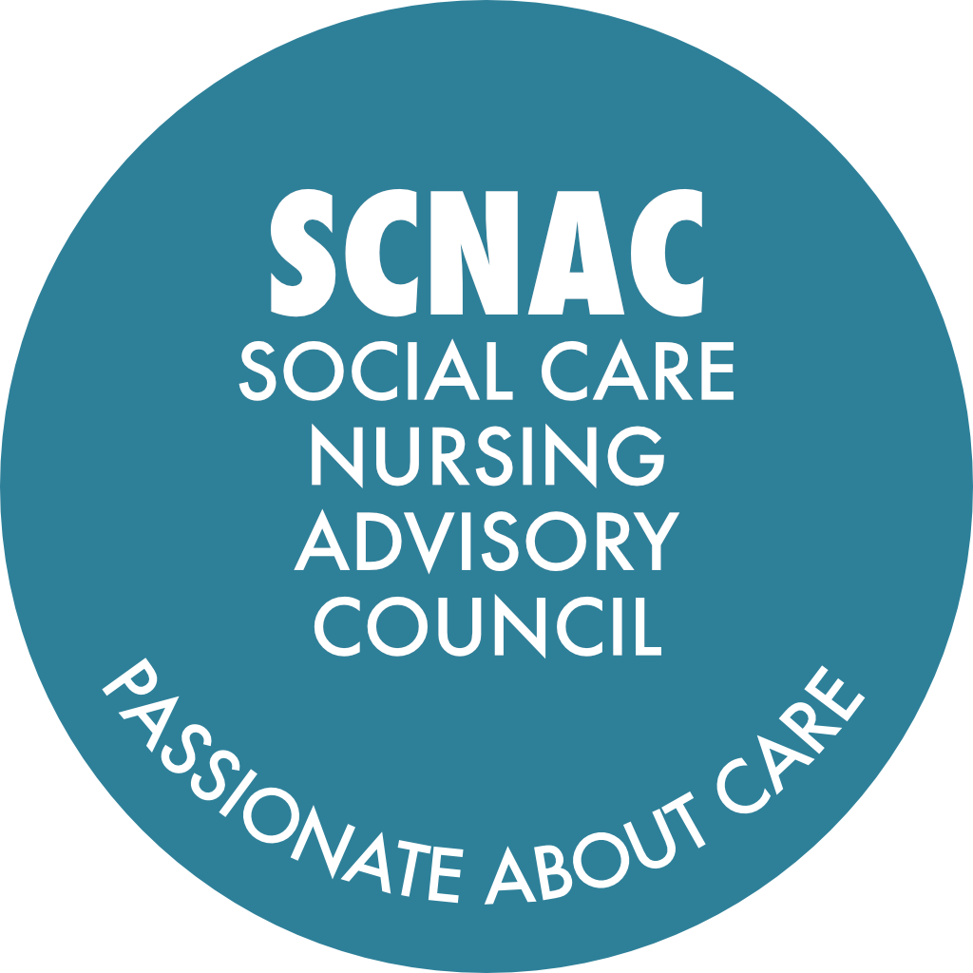 |  | SCNAC Email Addresses: Co-Chair: Louise Keane - louise.london@scnac.co.uk Co-Chair: Joanna Grant- joanna.london@scnac.co.uk SCNACs Admin: Sonia Pritchard - AdminSCNAC@theoutstandingsociety.co.uk
NAME OF GROUP: LONDON Region Social Care Nursing Advisory Councils (SCNACs) Action Log - OPEN
Date action started | Subject | Action | Details | Lead | Due Date | Update | Date Completed

Ongoing - Pinned | Council Members to Send Photo and Bio for the SCNAC Website | If you have not already done so already, please send a high-res photo of yourself and a short bio (approx. 100 words) that we can upload onto the London SCNAC page. | London webpage can be found here: https://theoutstandingsociety.co.uk/scnac-london-region/ Photos and bios to: Admin.SCNAC@theoutstandingsociety.co.uk with LONDON SCNAC in the subject line please | All | ASAP |  | Ongoing
14-May-26 Pinned | Adult Social Care Chief Nurse Awards | Submit nominations for the Adult Social Care Chief Nurse Awards, focusing on regognising outstanding work in social care | https://www.gov.uk/government/publications/chief-nurse-adult-social-care-awards-nomination-forms | All | ASAP |  | Ongoing
14-May-26 Pinned | SCNACs Council Membership Registration Form | If you haven't already done so, please complete the registration form: | https://forms.monday.com/forms/7dc258c28cba640906207548fb3c9905?r=euc1 | All | ASAP | Aug-26 Please do forward on the form to anyone who may be interested in joining the council. | Ongoing
5-Aug-26 | Complex Care Transition Work | Organise focus groups to explore quality improvement areas for young people with complex needs transitioning into adult social care, and invite interested participants to join. |  | Joanna Grant | When Convenient
5-Aug-26 | Digital Skills Research Meeting | Invite interested individuals to join the upcoming meeting with the Sheffield University researcher regarding digital skills in nursing and social care. |  | Louise Keane | When Convenient
5-Aug-26 | IV Training Programme Collaboration | Connect with Jennifer to explore collaboration with the National Infusion for Vascular Access Society (NIVAS) and consider incorporating their standards into the IV training curriculum for the 40 nurses. |  | Louise Keane / Jennifer Caguloa | ASAP
5-Aug-26 | Suicide Research Study Promotion | Send information about the suicide research study to Vi for inclusion in the CNO, CMEDO, BME, SARG newsletter at the end of August. |  | Louise Keane to Vi | For end Aug-26 publication
5-Aug-26 | Leadership Programme Working Party | Collect expressions of interest from those wishing to join the working party for the adult social care nurse leadership programme and follow up with interested individuals. |  | Louise Keane | ASAP
5-Aug-26 | GNCT Study Participation | Send the GNCT study slides and participation link to Sonia on the email above for wider distribution to the group. |  | Melanie Stephens / Lorna Chesterton | ASAP
5-Aug-26 | GNCT Study Participation | Double check and update the links to the GNCT study slides to ensure accessibility, particularly for nhs.net users. |  | Melanie Stephens / Lorna Chesterton | ASAP
14-May-26 | MEDSIP Transition to adult services from children's services | Joanna/Jess to discuss this work further |  | Jessica Cantone | When Convenient
14-May-26 | Universal Care Plan Pilot: | Set up a pilot with Dimensions care provider in North Central London to implement Universal Care Plans for service users and capture learning to share with the system. | Update from Jess in August (next meeting) | Jessica Cantone | Aug-26
14-May-26 | Learning Disability (LD) Services Engagement: | Contact individuals or organisations with links to LD services in North Central or North East London to facilitate discussions with the MEDSIP team. | Request ToR for QICN LD group for relevant links | Louise Keane | When Convenient
14-May-26 | University Involvement | Council Members to contact Co-Chairs with details of other universities that are involved in student nurse placements in adult social care. |  | All | When InformationAvailable
14-May-26 | University Placement Data Collection: | Collect and share data on adult social care placements from London universities by reaching out to university contacts. | Currently have links with Middlesex and East London Joanna to contact Westminster Uni Louise to contact City Uni | Louise Keane / Joanna Grant | When Convenient
14-May-26 | Student Learner App Content: | Ensure information about adult social care opportunities is included in the new student learner app by liaising with the relevant task and finish group. | Update from Jacqueline in August (next meeting) | Jacqueline Robinson-Rouse | ASAP
14-May-26 | IV Therapy Project Participation: | Send information to Victor for distribution to care home managers in Lewisham regarding participation in the IV therapy project and encourage prompt decision-making for training applications. | Louise to send information to Victor | Louise Keane | When Convenient
14-May-26 | PPI Funding for IV Therapy Project: | Seek funding to provide a token of appreciation for relatives and residents participating in the IV therapy project engagement activities. | Ongoing with Alin/Louise | Louise Keane | When Convenient
21-Jan-26 | South East Social Care Safeguarding Priority | Information provided by the South East SCNAC on the Social Care Safeguarding Space on NHS Futures (Pilot). This draft plan proposes a Social Care Safeguarding Space on NHS Futures as a central, trusted platform to support social care nurses and strengthen safeguarding partnership working with the NHS. | The pilot will bring together policy, practice guidance, learning resources, lived experience and innovation, while creating space for collaboration, discussion and shared learning. We are inviting colleagues to get involved by suggesting priority topics or subject areas for the platform, sharing ideas for content, and taking part in the task-and-finish workstream to help shape, test and refine the space. Your input will help ensure the platform is practical, relevant and genuinely led by the needs of the social care nursing workforce. If you feel you could help, please get in contact with Sonia (Admin.SCNAC@theoutstandingsociety.co.uk) and she will put you in touch with the team. Joanna to speak to Scarlett for update and join meetings | South East SCNAC | Further update at Next Meeting
21-Jan-26 | Global Majority Nursing | Invite RCN/ NMC and SfC to next meeting to discuss how we can better engage our collegues from the global majority | Joanna to send email to RCN / NMC and SfC - reconnecting | Louise / Joanna | 14-May-26 | Presentation at next council meeting
21-Jan-26 | Dementia Game | SCNAC working with schools / univerisities and people with dementia across the 4 nations. Keen to have more ASC staff and relatives involved. | Kate to update in August (next meeting) | Louise / Kate Meacock | 14-May-26 | Update on game at next council meeting
21-Jan-26 | Student Representation | Speak to RCN Professional Lead for Students to invite student representation on the work Joanna is doing and let Joanna know the outcome. | Millie to update Joanna re student representation before August (next meeting). Joanna to email Millie | Millie | When Convenient
14-Oct-25 | Research | Add a member of the North London NIHR Research Deliver network to the Council. | Identify the right person within the North London NIHR RRDN to be a council member | Nuno / Arti | May26 | Dr Arti Sharma is the Research Support and Engagement Leader for North London Regional Delivery Network, NIHR. Arti will share any updates at future meetings. Nuno shared the Social Care Research Conference, a face-to-face event on 05Mar26. Link included in notes and on Updates and Information tab. Will keep this open as we requested Council members shared their research and best practice QI within their own settings so we can develop a spreadsheet of activities to share.
14-Oct-25 | Induction in Adult Social Care Resource Development | Coordinate with Dudley and Jacqueline to develop and review a draft of the induction resource for adult social care and provide and update at the next meeting | Funding not available with Care Magazine. Joanna/Louise to review next steps | Louise / Dudley / Jacqueline | 14-May-26 | Louise and Dudley to meet before next council meeting.
7-Jan-25 | Social Care Placements | Audit number of Universities in London offering nursing and NA, number of social care placements per uni | Data to identify: number universities of nursing, total students, total placements, number of SC placements. Potentially getting the data from NHS Workforce Training and Education. May 26 - Joanna/Louise - engaging with universities directly. Ongoing | Pam Hodge | May 26 | Ongoing action. Joanna attended the Pan London Practice Learning Group (PLPLG). Pam to update at the next meeting.
7-Jan-25 | Virtual Wards and Delegated tasks | Create a list of the delegated tasks currently happening in social care providers. | Aiming to get Representatives from Independent providers to liaise with insurers to ensure the nursing activities delegated to ASC providers are correctly insured. Ongoing actions. Care England is leading on this contact between providers and Insurers to clarify the topic. This is a long term action. Round table organised by Care England in November. | Louise / Richard Ayres | May26 | Richard to provide an update from an insurance point of view at the next meeting.
7-Jan-25 | London Ambulance Service (LAS) | LAS data on care home incidents to be worked and shared with the council. Invite LAS leads for care homes to attend next meeting | Meet to create an easy to digest data to be presented at the next meeting. | Nuno Santos Lopes / Louise Keane | May26 | 21Jan26 LAS now have capacity to do this work and will be working with Nuno. Nuno will share updates with the council at the next meeting. 14Oct25 Nuno in contact with the LAS CEO Jason Killens and awaiting an update on when the data will be available. 15Jul25 Once there is someone within LAS able to collate the data it will be presented at the Council.

